Overview
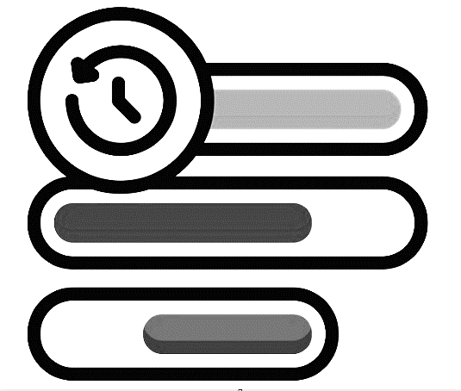

Project Name

Roadmap

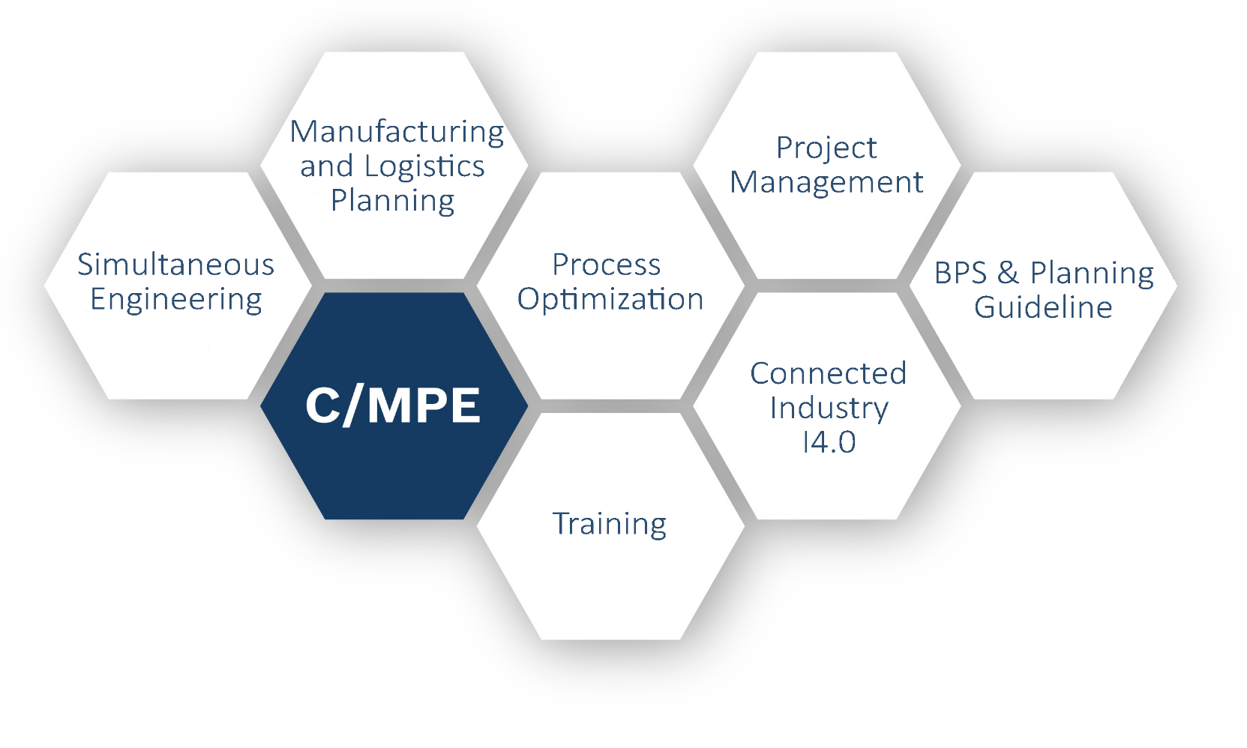

 | Roadmap

 | C/MPE |  | €

 | Author: Reijnders Matthias | FIXED-TERM Widmann Nico (C/MPE)
 | Last update on: | 10.08.2017 (11:42)

V20.0

Data
Op
Project name
Roadmap
 |  |  |  |  |  |  |  |  | Roadmap Template v20 (EN)
Project Information
Project name: | Project Name
Project manager:
Effective date: |  |  | If left blank, "today's date" is used as default
Schedule starts on: | 2017-08-01 |  | Please enter a complete date. However, only the month and the year is evaluated.
Schedue ends on: | 2020-12-28 |  | Please enter a complete date. However, only the month and the year is evaluated.
Options
Width for month columns: | 2.50 |  | If left blank, "2.00" is used as default
Draw horizontal lines: | yes |  | Select either "yes" or "no", default is "no"
Schedule Data
Category | Type | Row | Description | Date | End Date | Color | Text Position | Dateline | Remarks
LFS + On/Off (GM 9F) | M | same | B1 (GM Beta HX) | 2017-09-23 |  |  | below
 | M | same | B2 (GM Beta) | 2017-11-20 |  |  | right
 | M | same | C-Sample (GM Gamma) | 2018-07-21 |  |  | below
 | M | same | PPAP | 2019-10-30 |  |  | below
 | M | same | Customer SOP | 2020-06-20 |  |  | below
LFS + On/Off (Ford 10R) | M | next | A (Ford X0) | 2017-08-23 |  |  | below
 | M | same | B1 (Ford M1-P1) | 2018-03-01 |  |  | below
 | M | same | B2 (Ford M1-P2) | 2018-06-01 |  |  | right
 | M | same | D-Sample to Ford (Ford VP) | 2019-05-19 |  |  | below
 | M | same | PPAP | 2019-10-26 |  |  | right
 | M | same | Customer SOP | 2020-05-16 |  |  | below
LFS+On/Off QGs | M | next | QGC0 | 2017-08-21 |  |  | below
 | M | same | QGC1 | 2018-06-13 |  |  | below
 | M | same | QGC2 | 2018-10-17 |  |  | below
 | M | same | QGC4 | 2019-10-15 |  |  | below
 | M | same | QGC5 | 2020-11-15 |  |  | below
LFS NuP1 auto. Line | A | next | PGL | 2017-09-09 | 2017-12-17 |  | right
 | M | same | Order Assembly line | 2018-02-01 |  |  | right
 | A | next | MAR | 2017-11-01 | 2018-01-31 |  | right
 | A | next | MAE Delivery Time | 2018-02-02 | 2018-12-31 |  | right
 | A | next | MAE Transfer / Setup / Relase / Training | 2019-01-05 | 2019-03-04 |  | right
 | M | next | Produce D-Sample (0-series) | 2019-03-15 |  |  | right
 | A | next | PV Test (20 weeks) | 2019-04-01 | 2019-08-28 |  | right
 | M | next | Send PPAP to customer | 2019-09-30 |  |  | right
 | M | same | Bosch SOP | 2020-04-18 |  |  | right
O/O TlP Line | A | next | PGL | 2018-01-20 | 2018-02-28 |  | below
 | M | same | Order Assembly line | 2018-03-30 |  |  | right
 | A | next | MAR | 2018-02-28 | 2018-03-30 |  | right
 | A | next | MAE Delivery Time | 2018-04-01 | 2019-01-15 |  | right
 | A | next | MAE Transfer / Setup / Relase / Training | 2019-01-16 | 2019-03-15 |  | right
 | M | next | Produce D-Sample (0-series) | 2019-03-15 |  |  | right
 | A | next | PV Test (20 weeks) | 2019-03-16 | 2019-08-20 |  | right
 | M | next | Send PPAP to customer | 2019-10-07 |  |  | right
 | M | same | Bosch SOP | 2020-04-18 |  |  | right
VTS Milestones | M | next | PIA | 2017-11-13 |  |  | below
 | M | same | A (Ford X0) | 2017-11-28 |  |  | right
 | M | same | B1 (Ford M1-P1) | 2018-03-01 |  |  | below
 | M | same | B2 (Ford M1-P2) | 2018-06-01 |  |  | right
 | M | same | C-Sample (RB intern) | 2019-01-05 |  |  | below
 | M | same | D-Sample to Ford (Ford VP) | 2019-05-19 |  |  | below
 | M | same | PPAP | 2019-10-30 |  |  | right
 | M | same | Customer SOP | 2020-05-09 |  |  | below
VTS QGs | M | next | QGC0 | 2018-01-22 |  |  | below
 | M | same | QGC1 | 2018-07-14 |  |  | below
 | M | same | QGC2 | 2018-10-03 |  |  | below
 | M | same | QGC3 | 2019-04-07
 | M | same | QGC4 | 2019-10-02 |  |  | below
 | M | same | QGC5 | 2020-01-13 |  |  | below
VTS TlP Line 1 | A | next | PGL | 2017-11-15 | 2018-02-14 |  | right
 | M | same | Order Assembly line | 2018-05-02 |  |  | right
 | A | next | MAR | 2018-02-17 | 2018-04-18 |  | right
 | A | next | MAE Delivery Time | 2018-05-05 | 2019-02-06 |  | right
 | A | next | MAE Transfer / Setup / Relase / Training | 2019-02-09 | 2019-05-02 |  | right
 | M | next | Produce D-Sample (0-series) | 2019-05-04 |  |  | right
 | A | next | PV Test (16 weeks) | 2019-06-01 | 2019-09-18 |  | right
 | M | next | Send PPAP to customer | 2019-10-16 |  |  | right
 | M | same | Bosch SOP | 2020-03-28 |  |  | right

